Sheet1
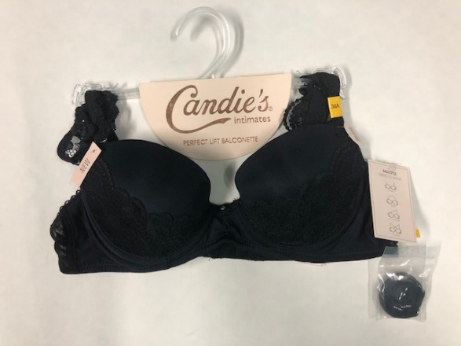
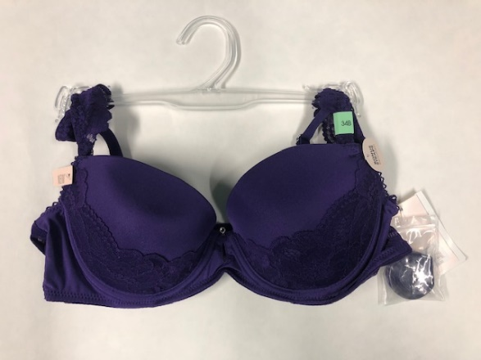
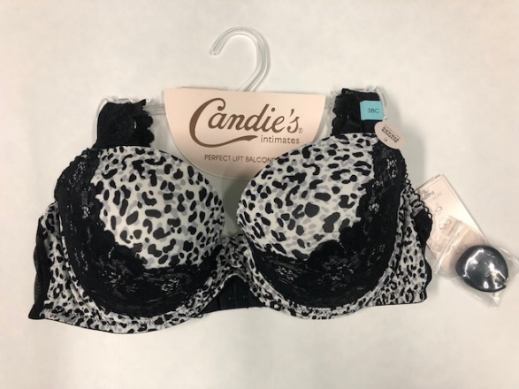
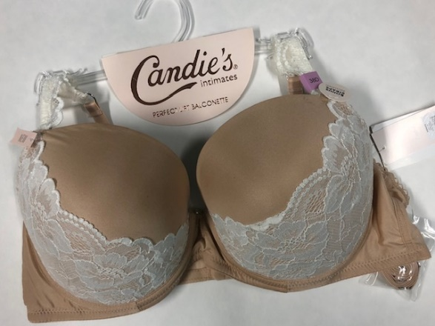
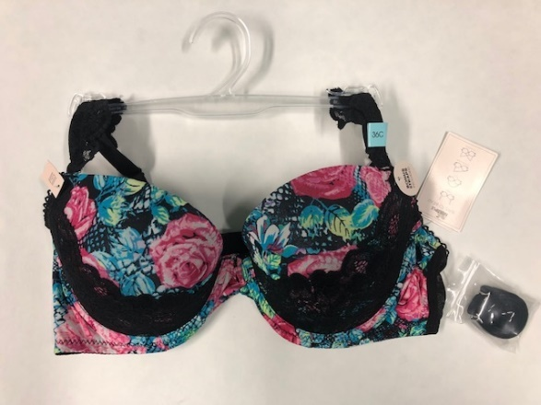
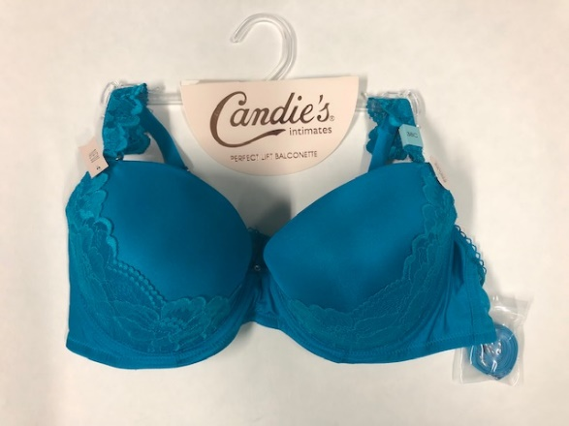
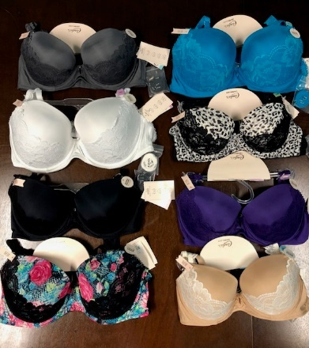
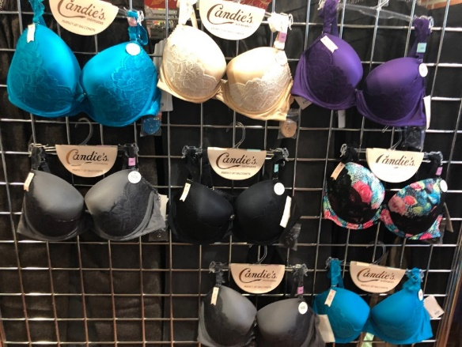
Style # | Label | Color | Size |  |  |  |  |  |  |  |  |  | PCS/CTN | CTNS | TOTAL
 |  |  | 34A | 34B | 34C | 34D | 36B | 36C | 36D | 38C | 38D | 38DD
CB101 | Candie's | ASST | 4 | 4 | 3 | 3 | 3 | 3 | 3 | 3 | 6 | 4 | 36 | 349 | 12,564

